Table 1
CONTENTS
1. Introduction 2 2. Glossary 3 3. List of Acronyms 8 4. National Tables and Maps 9 Table 1. State Managed Care Enrollment, All Eligibles (Medicaid-only and Medicare- Medicaid), as of July 1, 2013 9 Table 2. Medicare-Medicaid Eligibles ("Duals") Enrolled in Managed Care, as of July 1, 2013 11 Table 3. Share of Medicaid Enrollees in Any Managed Care and in Comprehensive MCOs, as of July 1, 2013 13 Map of State Comprehensive Medicaid Managed Care 2013 15 Table 4. Enrollment by Program and Plan, as of 2013 16 Table 5. State Enrollment in Managed Care Programs Covering Long Term Services and Supports (LTSS), as of July 1, 2013 73 Map of State Enrollment in Managed Care Programs Covering Long-Term Services and Supports
Medicaid Managed Care Enrollment and Program Characteristics, 2013 This report is a joint production of the Division of Managed Care Plans and the Data and Systems Group in the Center for Medicaid and CHIP Services at the Centers for Medicare & Medicaid Services, with assistance from Mathematica Policy Research (contract # HHSM-500- 2010-00026/HHSM-500-T0011). The data and information presented in this report were collected directly from all States, the District of Columbia, and US territories. Please see the Glossary for definitions of all terms and acronyms used in this report. • National tables provide summary data on Medicaid managed care: (1) enrollment at the state- and plan-level, as of July 1, 2013 (sub-state level data are not collected); and (2) program features, including type of enrollment (mandatory or voluntary) by population group enrolled, quality assurance requirements and use of performance incentives by managed care program type (see Glossary for definitions of each type). • State tables summarize the characteristics of each managed care program operating in each state as of July 2013, including program type, whether it operated statewide or in certain regions, federal operating authority, start and end dates, beneficiary groups enrolled, services covered, quality assurance and improvement provisions, and the names of participating plans or providers. Data Limitations Mathematica conducted quality assurance review and data validation on the enrollment data and program features provided by state officials. While efforts were made to resolve apparent errors, users of this report should be aware of some limitations. First, states may differ in how they describe similar types of managed care programs; for example, some states listed the benefits covered through primary care case management (PCCM) programs as all services that are coordinated by primary care providers, while other states listed only case management. In addition, states

Glossary FEDERAL AUTHORITIES (Waivers and State Plan Amendments) 1115 States can apply for a Section 1115 waiver to test experimental, pilot, or demonstration projects that promote the objectives of the Medicaid and CHIP programs. 1902(a)(70) NEMT States can use Section 1902(a)(70) statutory authority to amend their Medicaid state plans to establish non‐emergency medical transportation (NEMT) brokerage programs without regard to the statutory requirements for comparability, geographic region served, and freedom of choice. 1905(t) States can use Section 1905(t) statutory authority to create voluntary primary care case management (PCCM) managed care programs. 1915(a) States can use Section 1915(a) statutory authority to enter into a voluntary contract with an entity to provide State plan services. Enrollment is voluntary. 1915(b) States can use Section 1915(b) waiver to enroll special populations into mandatory managed care delivery systems or otherwise limit beneficiaries’ choice of providers. 1915(c) States can use Section 1915(c) waivers to provide long-term services and supports (LTSS) in home and community settings rather than institutional settings. By using 1915(c) waivers concurrently with 1915(a), 1932(a), or 1915(b) authorities, states can provide LTSS through managed care. Without a concurrent waiver allowing a state to deliver these services through managed care, 1915(c) waiver services are paid fee-for-service. 1915(i) States can use Section 1915(i) statutory authority to offer a variety of home and community-based services through the state plan, regardless of whether enrollees meet the institutional level of care. By using 1915(i) authority concurrently with 1915(a), 1932(a), or 1915(b) authorities, states can provide LTSS through managed care. 1915(

1932(a) State can use Section 1932(a) statutory authority to enroll Medicaid beneficiaries in managed care entities on a mandatory basis without section 1915(b) or 1115 waiver authority. However, certain groups are exempted from mandatory enrollment (for example, Medicare-Medicaid dual enrollees, Native Americans and children with special health care needs), and with exceptions for rural areas, the state must offer at least two managed care options.
1937 Alternative Benefit Plan |  |  |  |  |  | States can use Section 1937 statutory authority to provide alternative benefits tailored to meet the needs of certain Medicaid population groups, target residents in certain areas of the state, or provide services through specific delivery systems instead of following the traditional Medicaid benefit plan. The Affordable Care Act of 2010 amended Section 1937 by requiring states to provide an alternative benefit package to the newly eligible adult (section VIII) Medicaid expansion population, which must cover 10 essential health benefits described in ACA section 1302(b).
1945 Health Homes States can use Section 1945 statutory authority to coordinate care for Medicaid beneficiaries who have chronic conditions. States can combine 1945 authority with a managed care authority such as 1915(a), 1932(a), or 1915(b) to provide health home services through managed care. ACRONYMS AND DEFINITIONS
Behavioral Health Organization Centers for Medicare & Medicaid Services |  |  |  |  |  | BHO A managed care entity specializing in behavioral health (mental health and/or substance use disorder) services. Services are covered on a prepaid basis. CMS The federal agency that administers the Medicare and Medicaid programs.
Comprehensive Managed Care Organization |  |  | Compre- hensive MCO |  |  |  |  |  |  |  |  | Comprehensive MCOs provide all acute and primary medical services; some also cover behavioral health and long term care. Entities that qualify as MCOs include Health Maintenance Organizations (HMOs) and Health Insuring Organizations (HIOs in California).
Consumer Assessment of Healthcare Providers and Systems Dental Prepaid Ambulatory Health Plan Dual Eligibles (also referred to as “Duals”, or Medicare-Medicaid Eligibles) |  |  |  |  |  |  | CAHPS Surveys that ask consumers and patients on their experiences with health care services and health plans. Some state Medicaid agencies require health plans to submit data from CAHPS surveys of managed care enrollees. A limited-benefit plan that only provides dental services. Individuals who are eligible for Medicare and either (1) eligible to receive all state Medicaid benefits (“full duals”) or (2) the Medicaid agency only pays for Medicare premiums and/or cost sharing (“partial duals”).
Early and Periodic Screening, Diagnostic and Treatment External Quality Review Organization Federally Qualified Health Center |  |  |  |  |  |  | EPSDT States are required to cover these services for all Medicaid-eligible children under age 21: periodic screenings to identify physical and mental conditions as well as vision, hearing, and dental needs; and follow-up diagnostic and treatment services to correct conditions identified during a screening. EQRO An organization that meets competence and independence requirements and performs an external quality review of managed care programs and plans. FQHC Federally Qualified Health Centers provide comprehensive health services in underserved communities and must offer a sliding fee scale. FQHCs receive grants under Section 330 of the Public Health Service Act.
Fee-For-Service FFS A payment system in which the state reimburses providers directly for each individual service rendered.
Healthcare Effectiveness Data and Information Set Home and Community- based Services Intellectual/Developmenta l Disabilities Intermediate Care Facilities for individuals with Intellectual or Developmental Disabilities Long-term Services and Supports Managed Long Term Services and Supports |  |  |  |  |  |  |  | HEDIS A collection of performance measures and measurement specifications which certain Medicaid managed care programs are required to use and submit to the State. HEDIS measures and definitions are produced by the National Committee for Quality Assurance (NCQA). HCBS Long-term services and supports provided to Medicaid beneficiaries with mental illnesses, intellectual or developmental disabilities, and/or physical disabilities in their own home or a community setting. IDD An individual with an intellectual or developmental disability has an intellectual functioning level (IQ) below 70-75, limitations in adaptive skills, and must have had the condition start before the age of nineteen. ICF-IDD An optional Medicaid benefit to provide treatment in an institutional care setting for individuals with intellectual disabilities. LTSS Long term services and supports assist individuals with activities of daily living such as bathing, dressing and eating in institutional settings, such nursing homes and ICFs-IDD, or in home and community- based settings. MLTSS The delivery of long term services and supports (LTSS), such as nursing home care and home and community-based services, through capitated Medicaid managed care programs. MLTSS programs can either provide LTSS in addition to medical care through comprehensive MCOs, or they can provide only LTSS benefits through PIHPs or PAHPs.

Medicaid A health care program providing coverage for eligible low-income adults, children, pregnant women, elderly adults and people with disabilities, jointly administered and funded by states and the federal government, according to federal rules. Medicaid Managed Care Medicaid managed care provides for the delivery of Medicaid health benefits and additional services through contracted arrangements between state Medicaid agencies and managed care entities, such as MCOs, that accept a set per member per month (capitation) payment for these services, or with providers responsible for coordinating a defined set of services. Medicaid State Plan An agreement between a state and the federal government describing how that state administers its Medicaid program, including groups of individuals covered, services provided, reimbursement methodologies and administrative activities.
Medicaid State Plan Amendment |  |  |  |  | SPA When a state is planning to make a change to its Medicaid program policies or operational approach, states submit SPAs to CMS for review and approval.
Medicaid Waivers Statutory authorities under which the Secretary of Health and Human Services may, upon the request of a state, allow the state to receive federal Medicaid matching funds for its expenditures when the benefits or populations covered, or other program features deviate from requirements or limitations of the federal Medicaid statute. Medicare A health care program for individuals ages 65 and older and individuals under age 65 with certain disabilities. Medicare is administered and funded by the federal government. Mental Health MH An individual’s psychological and emotional state. Mental disorders affect how individuals relate to each other and make choices, and may include changes in thinking, mood and/or behavior.
Non-Emergency Medical Transportation Other Prepaid Health Plans Prepaid Ambulatory Health Plan |  |  |  |  |  |  | NEMT A program that covers transportation to and from medically necessary health care services. PHPs Prepaid ambulatory or inpatient health plans that cover a limited set of benefits, such as behavioral health, long term care, dental, or transportation benefits. PAHP An entity that provides medical services to enrollees under contract with the State agency and on the basis of prepaid capitation payments or other payment arrangements that do not use State plan payment rates. A PAHP does not provide or arrange for the provision of any inpatient hospital or institutional services for its enrollees.
Prepaid Inpatient Health Plan |  |  |  |  |  | PIHP An entity that provides medical services to enrollees under contract with the State agency and on the basis of prepaid capitation payments or other payment arrangements that do not use State plan payment rates. A PIHP provides, arranges for, or otherwise has responsibility for, the provision of any inpatient hospital or institutional services for its enrollees.
Presumptive Eligibility The option available to states to extend limited Medicaid coverage at the point a provider determines that an individual’s income does not exceed the eligibility threshold until a formal determination of eligibility is made.
Primary Care Case Management Program for All-inclusive Care for the Elderly |  |  |  |  |  | PCCM A managed care arrangement in which primary care providers contract with the state to provide a core set of case management services to the enrollees assigned to them and to serve as the enrollees’ home for medical care, in exchange for a small administrative fee. All other services are reimbursed on a FFS basis. Primary Care Providers (PCPs) can include primary care physicians, clinics, group practices and nurse practitioners, among others. PACE A program that provides prepaid, capitated comprehensive medical and social services in an adult day health center, supplemented by in-home and referral services according to a participant’s needs. To qualify, individuals must: (1) be 55 years of age or older, (2) meet a nursing home level of care, and (3) live in a PACE organization service area.
Substance Use Disorder SUD Individuals with an SUD recurrently use alcohol and/or drugs. As a result, they experience significant clinical and functional impairment that may include: health issues, disability and failure to meet responsibilities.
Supplemental Security Income Transportation Prepaid Ambulatory Health Plan |  |  |  |  |  | SSI A federal entitlement program that provides cash assistance to low-income aged, blind, and disabled individuals. A prepaid ambulatory health plan covering transportation services only.
Acronyms
BHO |  |  |  |  |  |  |  |  | Behavioral Health Organization
CAHPS |  |  |  |  |  |  |  |  | Consumer Assessment of Healthcare Providers and Systems
EPSDT |  |  |  |  |  |  |  |  | Early and Periodic Screening, Diagnostic and Treatment
EQRO |  |  |  |  |  |  |  |  | External Quality Review Organization
FFS |  |  |  |  |  |  |  |  | Fee-For-Service
FQHC |  |  |  |  |  |  |  |  | Federally Qualified Health Center
HCBS |  |  |  |  |  |  |  |  | Home and Community-Based Services
HEDIS |  |  |  |  |  |  |  |  | Healthcare Effectiveness Data and Information Set
ICF-IDD |  |  |  |  |  |  |  |  | Intermediate Care Facilities for individuals with Intellectual or Developmental Disabilities
IDD |  |  |  |  |  |  |  |  | Intellectual/developmental disabilities
LTSS |  |  |  |  |  |  |  |  | Long-term services and supports
MCO |  |  |  |  |  |  |  |  | Managed Care Organization
MH |  |  |  |  |  |  |  |  | Mental Health
MLTSS |  |  |  |  |  |  |  |  | Managed Long-Term Services and Supports
NEMT |  |  |  |  |  |  |  |  | Non-Emergency Medical Transportation
PACE |  |  |  |  |  |  |  |  | Program of All-inclusive Care for the Elderly
PAHP |  |  |  |  |  |  |  |  | Prepaid Ambulatory Health Plan
PCCM |  |  |  |  |  |  |  |  | Primary Care Case Management
PIHP |  |  |  |  |  |  |  |  | Prepaid Inpatient Health Plan
SPA |  |  |  |  |  |  |  |  | State Plan Amendment
SSI |  |  |  |  |  |  |  |  | Supplemental Security Income
SUD |  |  |  |  |  |  |  |  | Substance Use Disorder
State |  |  | Total Medicaid Enrollees |  |  |  |  |  |  |  | MCO2 |  |  | PCCM | MLTSS | BHO (PIHP and/or PAHP) |  | Dental |  | Transportation |  | PACE | Other
Alabama |  |  | 959,607 |  |  |  |  |  |  |  | -- |  |  | 547,806 | -- | -- |  | -- |  | -- |  | 135 | 22,983
Alaska |  |  | 145,279 |  |  |  |  |  |  |  | -- |  |  | -- | -- | -- |  | -- |  | -- |  | -- | --
American Samoa3 |  |  | 52,620 |  |  |  |  |  |  |  | -- |  |  | -- | -- | -- |  | -- |  | -- |  | -- | --
Arizona |  |  | 1,271,190 |  |  |  |  |  |  |  | 1,072,628 |  |  | -- | -- | -- |  | -- |  | -- |  | -- | --
Arkansas |  |  | 614,466 |  |  |  |  |  |  |  | -- |  |  | 439,817 | -- | -- |  | -- |  | 462,953 |  | 129 | --
California |  |  | 8,469,015 |  |  |  |  |  |  |  | 5,686,453 |  |  | -- | -- | -- |  | 661,389 |  | -- |  | 3,861 | 927
Colorado |  |  | 740,248 |  |  |  |  |  |  |  | 76,331 |  |  | 355,618 | -- | 702,585 |  | -- |  | -- |  | 2,369 | 21,199
Connecticut |  |  | 621,770 |  |  |  |  |  |  |  | -- |  |  | -- | -- | -- |  | -- |  | -- |  | -- | --
Delaware |  |  | 216,106 |  |  |  |  |  |  |  | 182,430 |  |  | -- | -- | -- |  | -- |  | -- |  | 28 | --
District of Columbia |  |  | 252,852 |  |  |  |  |  |  |  | 157,821 |  |  | -- | -- | -- |  | -- |  | 51,424 |  | -- | --
Florida |  |  | 3,384,173 |  |  |  |  |  |  |  | 1,516,233 |  |  | 587,339 | 20,713 | 586,012 |  | 1,314,808 |  | -- |  | 827 | 5,791
Georgia |  |  | 1,813,771 |  |  |  |  |  |  |  | 1,148,809 |  |  | -- | -- | -- |  | -- |  | -- |  | -- | --
Guam |  |  | 36,912 |  |  |  |  |  |  |  | -- |  |  | -- | -- | -- |  | -- |  | -- |  | -- | --
Hawaii |  |  | 307,428 |  |  |  |  |  |  |  | 288,539 |  |  | -- | -- | -- |  | -- |  | -- |  | -- | --
Idaho |  |  | 255,295 |  |  |  |  |  |  |  | -- |  |  | 218,455 | -- | 0 |  | 241,138 |  | 241,432 |  | -- | 661
Illinois |  |  | 2,931,023 |  |  |  |  |  |  |  | 282,183 |  |  | 1,870,271 | -- | -- |  | -- |  | -- |  | -- | --
Indiana |  |  | 1,125,683 |  |  |  |  |  |  |  | 731,112 |  |  | 34,518 | -- | -- |  | -- |  | -- |  | -- | --
Iowa |  |  | 434,414 |  |  |  |  |  |  |  | 30,404 |  |  | 206,917 | -- | 420,973 |  | -- |  | 404,898 |  | 185 | --
Kansas |  |  | 398,934 |  |  |  |  |  |  |  | 328,600 |  |  | -- | -- | -- |  | -- |  | -- |  | 322 | --
Kentucky |  |  | 846,912 |  |  |  |  |  |  |  | 716,715 |  |  | -- | -- | -- |  | -- |  | -- |  | -- | --
Louisiana |  |  | 1,256,722 |  |  |  |  |  |  |  | 427,713 |  |  | 516,967 | -- | 1,037,068 |  | -- |  | -- |  | 297 | --
Maine |  |  | 262,334 |  |  |  |  |  |  |  | -- |  |  | 178,321 | -- | -- |  | -- |  | -- |  | -- | --
Maryland |  |  | 1,089,227 |  |  |  |  |  |  |  | 864,988 |  |  | -- | -- | -- |  | -- |  | -- |  | 112 | --
Massachusetts |  |  | 1,409,600 |  |  |  |  |  |  |  | 442,953 |  |  | 361,231 | -- | 68,258 |  | -- |  | -- |  | 3,030 | --
Michigan |  |  | 1,815,866 |  |  |  |  |  |  |  | 1,290,847 |  |  | -- | -- | 1,602,163 |  | 431,030 |  | -- |  | 833 | --
Minnesota |  |  | 902,415 |  |  |  |  |  |  |  | 633,494 |  |  | -- | -- | -- |  | -- |  | -- |  | -- | --
Mississippi |  |  | 689,153 |  |  |  |  |  |  |  | 155,124 |  |  | -- | -- | -- |  | -- |  | -- |  | -- | --
Missouri |  |  | 868,226 |  |  |  |  |  |  |  | 415,637 |  |  | -- | -- | -- |  | -- |  | 428,596 |  | 194 | --
Montana |  |  | 119,086 |  |  |  |  |  |  |  | -- |  |  | 78,022 | -- | -- |  | -- |  | -- |  | -- | --
Nebraska |  |  | 244,441 |  |  |  |  |  |  |  | 185,083 |  |  | -- | -- | 414,842 |  | -- |  | -- |  | 80 | --
Nevada |  |  | 328,748 |  |  |  |  |  |  |  | 180,321 |  |  | -- | -- | -- |  | -- |  | 180,321 |  | -- | --
New Hampshire |  |  | 145,982 |  |  |  |  |  |  |  | 0 |  |  | -- | -- | -- |  | -- |  | -- |  | -- | --
New Jersey |  |  | 1,201,134 |  |  |  |  |  |  |  | 1,055,246 |  |  | -- | -- | -- |  | -- |  | 1,015,399 |  | 707 | --
New Mexico |  |  | 554,620 |  |  |  |  |  |  |  | 412,486 |  |  | -- | -- | 375,133 |  | -- |  | -- |  | 625 | --
New York |  |  | 5,352,862 |  |  |  |  |  |  |  | 3,932,826 |  |  | -- | 101,351 | -- |  | -- |  | -- |  | 5,225 | --
North Carolina |  |  | 1,589,093 |  |  |  |  |  |  |  | -- |  |  | 1,528,301 | -- | 1,211,665 |  | -- |  | -- |  | 628 | --
North Dakota |  |  | 76,756 |  |  |  |  |  |  |  | -- |  |  | 42,095 | -- | 312 |  | -- |  | -- |  | 73 | --
Northern Mariana Islands |  |  | 15,405 |  |  |  |  |  |  |  | -- |  |  | -- | -- | -- |  | -- |  | -- |  | -- | --
Ohio |  |  | 2,389,622 |  |  |  |  |  |  |  | 1,667,307 |  |  | -- | -- | -- |  | -- |  | -- |  | 762 | --
Oklahoma |  |  | 735,552 |  |  |  |  |  |  |  | -- |  |  | 735,552 | -- | -- |  | -- |  | 689,574 |  | 124 | --
Oregon |  |  | 694,546 |  |  |  |  |  |  |  | 1,173,062 |  |  | 539 | -- | -- |  | -- |  | -- |  | 968 | --
Pennsylvania |  |  | 3,446,654 |  |  |  |  |  |  |  | 1,621,687 |  |  | -- | -- | 1,853,407 |  | -- |  | 491,720 |  | 4,170 | --
State |  |  | Total Medicaid Enrollees |  |  |  |  |  |  |  | MCO2 |  |  | PCCM | MLTSS | BHO (PIHP and/or PAHP) |  | Dental |  | Transportation |  | PACE | Other
Puerto Rico |  |  | 1,520,960 |  |  |  |  |  |  |  | 1,520,960 |  |  | -- | -- | 1,290,361 |  | -- |  | -- |  | -- | --
Rhode Island |  |  | 197,166 |  |  |  |  |  |  |  | 140,346 |  |  | 1,649 | -- | -- |  | 64,110 |  | -- |  | 263 | --
South Carolina |  |  | 1,002,319 |  |  |  |  |  |  |  | 460,065 |  |  | 179,590 | -- | -- |  | -- |  | 1,002,319 |  | 399 | --
South Dakota |  |  | 121,630 |  |  |  |  |  |  |  | -- |  |  | 90,998 | -- | -- |  | -- |  | -- |  | -- | --
Tennessee |  |  | 1,215,624 |  |  |  |  |  |  |  | 3,030,664 |  |  | -- | -- | -- |  | -- |  | -- |  | 288 | --
Texas |  |  | 3,878,766 |  |  |  |  |  |  |  | 2,997,946 |  |  | -- | -- | 475,866 |  | 2,476,217 |  | 1,883,788 |  | 1,061 | 11,012
Utah |  |  | 265,929 |  |  |  |  |  |  |  | 186,419 |  |  | -- | -- | 506,158 |  | -- |  | 216,369 |  | -- | --
Vermont |  |  | 182,096 |  |  |  |  |  |  |  | 102,816 |  |  | -- | -- | -- |  | -- |  | -- |  | 0 | --
Virgin Islands |  |  | 13,815 |  |  |  |  |  |  |  | -- |  |  | -- | -- | -- |  | -- |  | -- |  | -- | --
Virginia |  |  | 938,184 |  |  |  |  |  |  |  | 634,435 |  |  | -- | -- | -- |  | -- |  | -- |  | 1,299 | --
Washington |  |  | 1,173,312 |  |  |  |  |  |  |  | 789,496 |  |  | 7,813 | -- | 766,605 |  | -- |  | 26,000 |  | 435 | --
West Virginia |  |  | 330,000 |  |  |  |  |  |  |  | 170,377 |  |  | 4,000 | -- | -- |  | -- |  | -- |  | -- | --
Wisconsin |  |  | 1,179,354 |  |  |  |  |  |  |  | 701,409 |  |  | -- | 37,217 | 1,085 |  | -- |  | -- |  | 890 | --
Wyoming |  |  | 66,321 |  |  |  |  |  |  |  | -- |  |  | -- | -- | -- |  | -- |  | -- |  | 19 | --
TOTALS |  |  | 62,151,218 |  |  |  |  |  |  |  | 37,411,965 |  |  | 7,985,819 | 159,281 | 11,312,493 |  | 5,188,692 |  | 7,094,793 |  | 30,338 | 62,573
1. Medicaid beneficiaries may be enrolled concurrently in more than one type of managed care program (e.g., a Comprehensive MCO and a BHO), so the sum of enrollment in each program type as a percentage of total Medicaid enrollment may be greater than 100%. 2. Comprehensive MCOs cover acute, primary, and specialty medical care services; they may also cover behavioral health, long-term services and supports, and other benefits in some states. Limited benefit managed care programs, including MLTSS Only, BHO, Dental, and Transportation, cover a narrower set of services. 3. American Samoa's total Medicaid enrollees are counted based on presumptive eligibility. "--" indicates states that do not operate programs of a given type. 0 signifies that a state operated a program of this type in 2013, but it ended before July 1, 2013,or began after that date.
State |  | MCO2 |  |  |  |  |  |  |  | PCCM |  |  | MLTSS |  | BHO (PIHP and/or PAHP) |  | Dental |  | Transportation |  | PACE |  | Other
Alabama |  | -- |  |  |  |  |  |  |  | 0 |  |  | -- |  | -- |  | -- |  | -- |  | 108 |  | 0
Alaska |  | -- |  |  |  |  |  |  |  | -- |  |  | -- |  | -- |  | -- |  | -- |  | -- |  | --
American Samoa |  | -- |  |  |  |  |  |  |  | -- |  |  | -- |  | -- |  | -- |  | -- |  | -- |  | --
Arizona |  | 117,287 |  |  |  |  |  |  |  | -- |  |  | -- |  | -- |  | -- |  | -- |  | -- |  | --
Arkansas |  | -- |  |  |  |  |  |  |  | 0 |  |  | -- |  | -- |  | -- |  | 38,295 |  | 75 |  | --
California |  | 328,507 |  |  |  |  |  |  |  | -- |  |  | -- |  | -- |  | 23,759 |  | -- |  | 3,031 |  | 350
Colorado |  | 4,836 |  |  |  |  |  |  |  | 2,871 |  |  | -- |  | 62,939 |  | -- |  | -- |  | 2,227 |  | 4,121
Connecticut |  | -- |  |  |  |  |  |  |  | -- |  |  | -- |  | -- |  | -- |  | -- |  | -- |  | --
Delaware |  | 10,488 |  |  |  |  |  |  |  | -- |  |  | -- |  | -- |  | -- |  | -- |  | 24 |  | --
District of Columbia |  | 200 |  |  |  |  |  |  |  | -- |  |  | -- |  | -- |  | -- |  | 0 |  | -- |  | --
Florida |  | 23,969 |  |  |  |  |  |  |  | 0 |  |  | 20,713 |  | 0 |  | 895 |  | -- |  | 714 |  | 1,733
Georgia |  | 0 |  |  |  |  |  |  |  | -- |  |  | -- |  | -- |  | -- |  | -- |  | -- |  | --
Guam |  | -- |  |  |  |  |  |  |  | -- |  |  | -- |  | -- |  | -- |  | -- |  | -- |  | --
Hawaii |  | 299 |  |  |  |  |  |  |  | -- |  |  | -- |  | -- |  | -- |  | -- |  | -- |  | --
Idaho |  | -- |  |  |  |  |  |  |  | 18,128 |  |  | -- |  | 0 |  | 22,614 |  | 23,118 |  | -- |  | 661
Illinois |  | 0 |  |  |  |  |  |  |  | 0 |  |  | -- |  | -- |  | -- |  | -- |  | -- |  | --
Indiana |  | 498 |  |  |  |  |  |  |  | 335 |  |  | -- |  | -- |  | -- |  | -- |  | -- |  | --
Iowa |  | 12 |  |  |  |  |  |  |  | 57 |  |  | -- |  | 63,846 |  | -- |  | 62,271 |  | 171 |  | --
Kansas |  | 40,830 |  |  |  |  |  |  |  | -- |  |  | -- |  | -- |  | -- |  | -- |  | 322 |  | --
Kentucky |  | 66,798 |  |  |  |  |  |  |  | -- |  |  | -- |  | -- |  | -- |  | -- |  | -- |  | --
Louisiana |  | 0 |  |  |  |  |  |  |  | 369 |  |  | -- |  | 101,041 |  | -- |  | -- |  | 284 |  | --
Maine |  | -- |  |  |  |  |  |  |  | 0 |  |  | -- |  | -- |  | -- |  | -- |  | -- |  | --
Maryland |  | 0 |  |  |  |  |  |  |  | -- |  |  | -- |  | -- |  | -- |  | -- |  | 104 |  | --
Massachusetts |  | 21,654 |  |  |  |  |  |  |  | 0 |  |  | -- |  | 0 |  | -- |  | -- |  | 2,845 |  | --
Michigan3 |  | 39,515 |  |  |  |  |  |  |  | -- |  |  | -- |  | 0 |  | 0 |  | -- |  | 803 |  | --
Minnesota |  | 70,118 |  |  |  |  |  |  |  | -- |  |  | -- |  | -- |  | -- |  | -- |  | -- |  | --
Mississippi |  | 0 |  |  |  |  |  |  |  | -- |  |  | -- |  | -- |  | -- |  | -- |  | -- |  | --
Missouri |  | 0 |  |  |  |  |  |  |  | -- |  |  | -- |  | -- |  | -- |  | 0 |  | 158 |  | --
Montana |  | -- |  |  |  |  |  |  |  | 0 |  |  | -- |  | -- |  | -- |  | -- |  | -- |  | --
Nebraska |  | 185,083 |  |  |  |  |  |  |  | -- |  |  | -- |  | 56,026 |  | -- |  | -- |  | 80 |  | --
Nevada |  | 0 |  |  |  |  |  |  |  | -- |  |  | -- |  | -- |  | -- |  | 0 |  | -- |  | --
New Hampshire |  | 0 |  |  |  |  |  |  |  | -- |  |  | -- |  | -- |  | -- |  | -- |  | -- |  | --
New Jersey |  | 140,046 |  |  |  |  |  |  |  | -- |  |  | -- |  | -- |  | -- |  | 0 |  | 624 |  | --
New Mexico |  | 34,300 |  |  |  |  |  |  |  | -- |  |  | -- |  | 33,854 |  | -- |  | -- |  | 576 |  | --
New York |  | 13,813 |  |  |  |  |  |  |  | -- |  |  | 89,176 |  | -- |  | -- |  | -- |  | 4,173 |  | --
North Carolina |  | -- |  |  |  |  |  |  |  | 261,450 |  |  | -- |  | 216,403 |  | -- |  | -- |  | 590 |  | --
North Dakota |  | -- |  |  |  |  |  |  |  | 14,387 |  |  | -- |  | 0 |  | -- |  | -- |  | 71 |  | --
Northern Mariana Islands |  | -- |  |  |  |  |  |  |  | -- |  |  | -- |  | -- |  | -- |  | -- |  | -- |  | --
Ohio |  | 0 |  |  |  |  |  |  |  | -- |  |  | -- |  | -- |  | -- |  | -- |  | 644 |  | --
Oklahoma |  | -- |  |  |  |  |  |  |  | 195,388 |  |  | -- |  | -- |  | -- |  | 108,572 |  | 0 |  | --
State |  | MCO2 |  |  |  |  |  |  |  | PCCM |  |  | MLTSS |  | BHO (PIHP and/or PAHP) |  | Dental |  | Transportation |  | PACE |  | Other
Oregon |  | 103,724 |  |  |  |  |  |  |  | 421 |  |  | -- |  | -- |  | -- |  | -- |  | 932 |  | --
Pennsylvania |  | 16,216 |  |  |  |  |  |  |  | -- |  |  | -- |  | 250,363 |  | -- |  | 70,340 |  | 3,880 |  | --
Puerto Rico |  | 305,026 |  |  |  |  |  |  |  | -- |  |  | -- |  | 74,427 |  | -- |  | -- |  | -- |  | --
Rhode Island |  | 0 |  |  |  |  |  |  |  | 0 |  |  | -- |  | -- |  | 0 |  | -- |  | 232 |  | --
South Carolina |  | 0 |  |  |  |  |  |  |  | 16,186 |  |  | -- |  | -- |  | -- |  | 148,910 |  | 353 |  | --
South Dakota |  | -- |  |  |  |  |  |  |  | 0 |  |  | -- |  | -- |  | -- |  | -- |  | -- |  | --
Tennessee |  | 137,939 |  |  |  |  |  |  |  | -- |  |  | -- |  | -- |  | -- |  | -- |  | 277 |  | --
Texas |  | 226,369 |  |  |  |  |  |  |  | -- |  |  | -- |  | 30,808 |  | 0 |  | 136,018 |  | 983 |  | 0
Utah |  | 17,883 |  |  |  |  |  |  |  | -- |  |  | -- |  | 47,422 |  | -- |  | 0 |  | -- |  | --
Vermont |  | 0 |  |  |  |  |  |  |  | -- |  |  | -- |  | -- |  | -- |  | -- |  | 0 |  | --
Virgin Islands |  | -- |  |  |  |  |  |  |  | -- |  |  | -- |  | -- |  | -- |  | -- |  | -- |  | --
Virginia |  | 0 |  |  |  |  |  |  |  | -- |  |  | -- |  | -- |  | -- |  | -- |  | 1,202 |  | --
Washington |  | 610 |  |  |  |  |  |  |  | 0 |  |  | -- |  | 0 |  | -- |  | 10,141 |  | 417 |  | --
West Virginia |  | 0 |  |  |  |  |  |  |  | 0 |  |  | -- |  | -- |  | -- |  | -- |  | -- |  | --
Wisconsin |  | 12,705 |  |  |  |  |  |  |  | -- |  |  | 30,811 |  | 1 |  | -- |  | -- |  | 807 |  | --
...
Medicaid A health care program providing coverage for eligible low-income adults, children, pregnant women, elderly adults and people with disabilities, jointly administered and funded by states and the federal government, according to federal rules. Medicaid Managed Care Medicaid managed care provides for the delivery of Medicaid health benefits and additional services through contracted arrangements between state Medicaid agencies and managed care entities, such as MCOs, that accept a set per member per month (capitation) payment for these services, or with providers responsible for coordinating a defined set of services. Medicaid State Plan An agreement between a state and the federal government describing how that state administers its Medicaid program, including groups of individuals covered, services provided, reimbursement methodologies and administrative activities.
Utah |  |  |  | 265,929
Vermont |  |  |  | 182,096
Virgin Islands |  |  |  | 13,815
Virginia |  |  |  | 938,184
Washington |  |  |  | 1,173,312
West Virginia |  |  |  | 330,000
Wisconsin |  |  |  | 1,179,354
Wyoming |  |  |  | 66,321
TOTALS |  |  |  | 62,151,218
1. De-duplicated count of enrollment in any managed care type. 2. Comprehensive managed care includes MCOs and PACE. Because individuals cannot enroll in more than one comprehensive MCO or PACE program, this is a de-duplicated count. However, some of these individuals may be simultaneously enrolled in one or more limited benefit managed care programs. 3. American Samoa's total Medicaid enrollees are counted based on presumptive eligibility. 4. Michigan's total managed care enrollment and comprehensive MCO enrollment are derived from two different data sources so they may not be consistent.
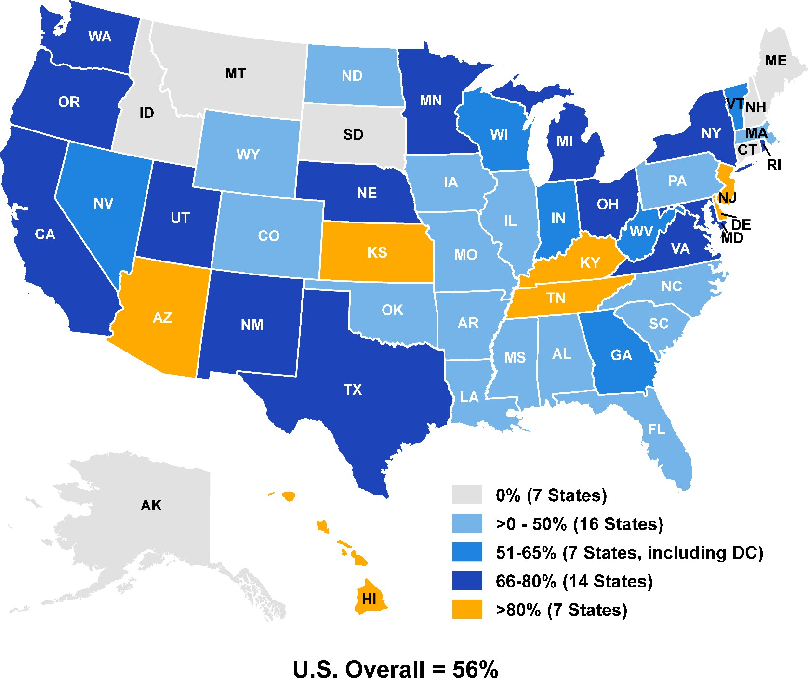 State Comprehensive Medicaid Managed Care 2013 Note: Comprehensive managed care includes risk-based managed care organizations (MCOs) and Programs of All-inclusive Care for the Elderly (PACE). Source: Managed Care Enrollment Report, Summary of Statistics as of July 1, 2013, CMS, 2015. 15

State | Program Name (Type)
AL | Patient 1st (PCCM)
AL | Patient 1st (PCCM)
AL | Maternity Care Program (Other PHP Plans)
AL | PACE (PACE)
AZ | Arizona Health Care Cost Containment System (Comprehensive MCO + any other type)
AZ | Arizona Health Care Cost Containment System (Comprehensive MCO + any other type)
AZ | Arizona Health Care Cost Containment System (Comprehensive MCO + any other type)
AZ | Arizona Health Care Cost Containment System (Comprehensive MCO + any other type)
...
Vermont
Virgin Islands
Virginia
Washington
West Virginia
Wisconsin
Wyoming
TOTALS
1. Includes both Medicaid-only and Medicare-Medicaid ("dual") enrollees. For both types of enrollees, Medicaid covers LTSS services. For dual enrollees, Medicaid may also cover Medicare cost-sharing for acute, primary care and specialty services covered by Medicare, and other non-LTSS services that are not covered by Medicare.
2. MLTSS Only programs cover LTSS under capitation; acute, primary, and specialty care services for these enrollees may be covered by another Medicaid MCO, Medicaid FFS, or by Medicare for dual enrollees. 3. Arizona, Delaware, Kansas, and Tennessee provide LTSS through comprehensive managed care programs; only LTSS users are included in the enrollment figures shown above. 4. North Carolina operates a statewide managed care program that contracts with two local management entities to provide all mental health, intellectual/developmental disabilities (IDD) and substance services covered in the Medicaid State Plan (e.g. inpatient, clinic and rehabilitation as well as home and community-based waiver services (HCBS) for persons with IDD. The number of beneficiaries receiving HCBS services under North Carolina's 1915(b)/1915(c) waiver was not available as part of this data collection. 5. Pennsylvania operates an Adult Community Autism Program, which contracts with a small specialty provider to provide MLTSS to adults with autism in four counties.
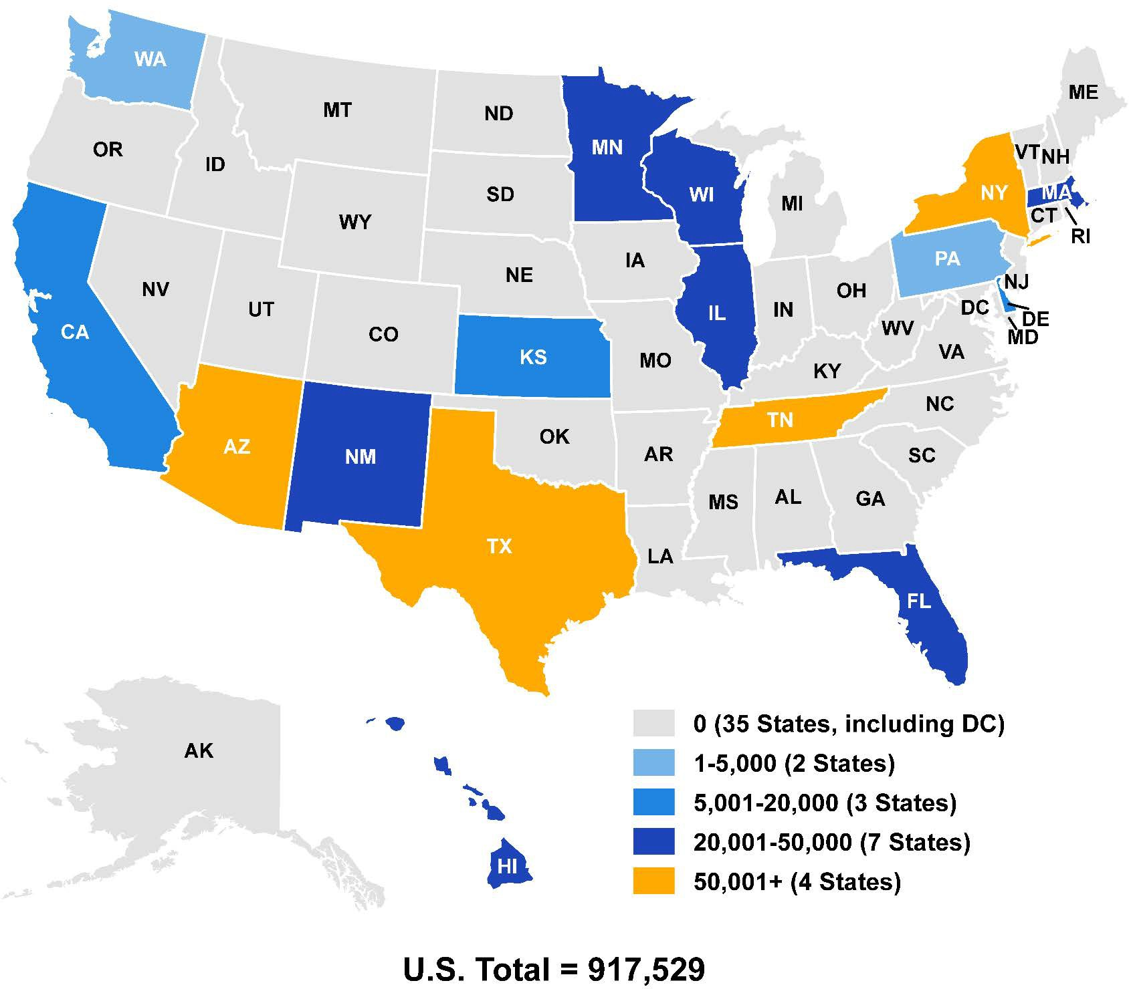 State Enrollment in Managed Care Programs Covering Long-Term Services and Supports Source: Managed Care Enrollment Report, Summary Statistics as of July 1, 2013, CMS, 2015. 75

Table 6. Number of Managed Care Programs Enrolling Certain Populations on a Mandatory or Voluntary Basis, at any point in 2013
Features (N = total number of programs) |  |  |  | Comprehensive MCO with or without other program types (N = 76)
Enrollment |  |  |  | Mandatory
Low-income Adults |  |  |  | 44
Aged, Blind or Disabled Children or Adults |  |  |  | 38
Non-Disabled Children (excluding children in foster care or receiving adoption assistance) |  |  |  | 39
Individuals receiving Limited Benefits |  |  |  | 11
Low-income adults not otherwise eligible and covered prior to 2014 under a waiver or other authority |  |  |  | 20
Full Duals |  |  |  | 17
...

